Sheet1
Please, click and select your name
 | Name | SULAIMAN MOHAMMED SULAIMAN AL HARTHI
 | ID | 13F11237
 | Session | Session B

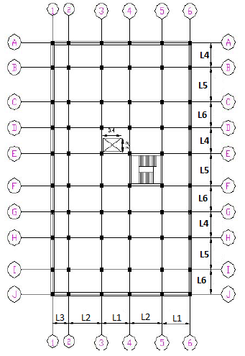

Loads Data
 | D.L | 16.7 | KN/m2 |  | 4
 | L.L | 17.4 | KN/m2 |  | 5
Horizontal Spans
 | L1 | 5.2 | m |  | 6
 | L2 | 5.8 | m |  | 7
 | L3 | 3.3 | m |  | 8
Vertical Spans
 | L4 | 4.2 | m |  | 9
 | L5 | 5.4 | m |  | 10
 | L6 | 4.9 | m |  | 11

Beam Dimensions | b×t | 300×600 | mm
Column Dimensions | b×t | 500×500 | mm

 |  |  |  | Building Plan

